Sheet1
 |  | Document No. | Issue No. | Issue Date |  | Review and Replace Date |  | Authorised By
 |  | GFF202MC | 2 | 14.09.2020 |  | 22.02.2021
 |  | Document Title | VEGETABLE SPRING ROLL 200g
 |  |  |  |  |  |  |  | Magda Shah
Document amendments reason for change |  | Shelf life updated | Page 1 of 1 |  | Previous Issue Date |  | 14.09.2020 | Uncontrolled copy unless signed original

CVSR1M-R6TEB | BOOTHS |  | VEGETABLE SPRING ROLL 200g

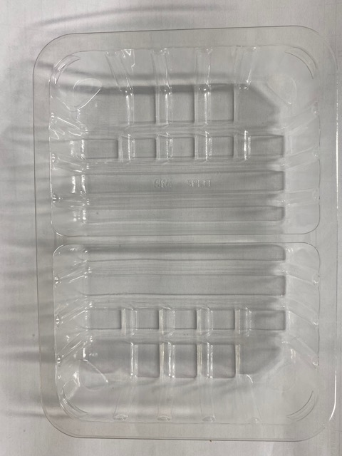 |  |  |  |  | 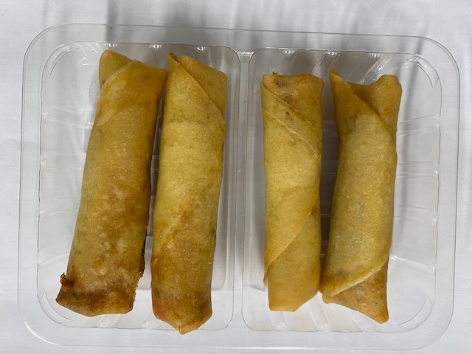

Tray: SK4 Split Clear (PKESS001-06) |  |  |  |  | Vegetable Spring Roll Medium 50g (GFF114R): 4 pieces
LINE 2: ME410AFV2, 410mm wide x 1000m linear PET Antifog WELD seal (PKPRO001-12) |  |  |  |  | Total Weight: 200g
ALLERGY ALERT: SOYA, WHEAT, BARLEY

